Transcript
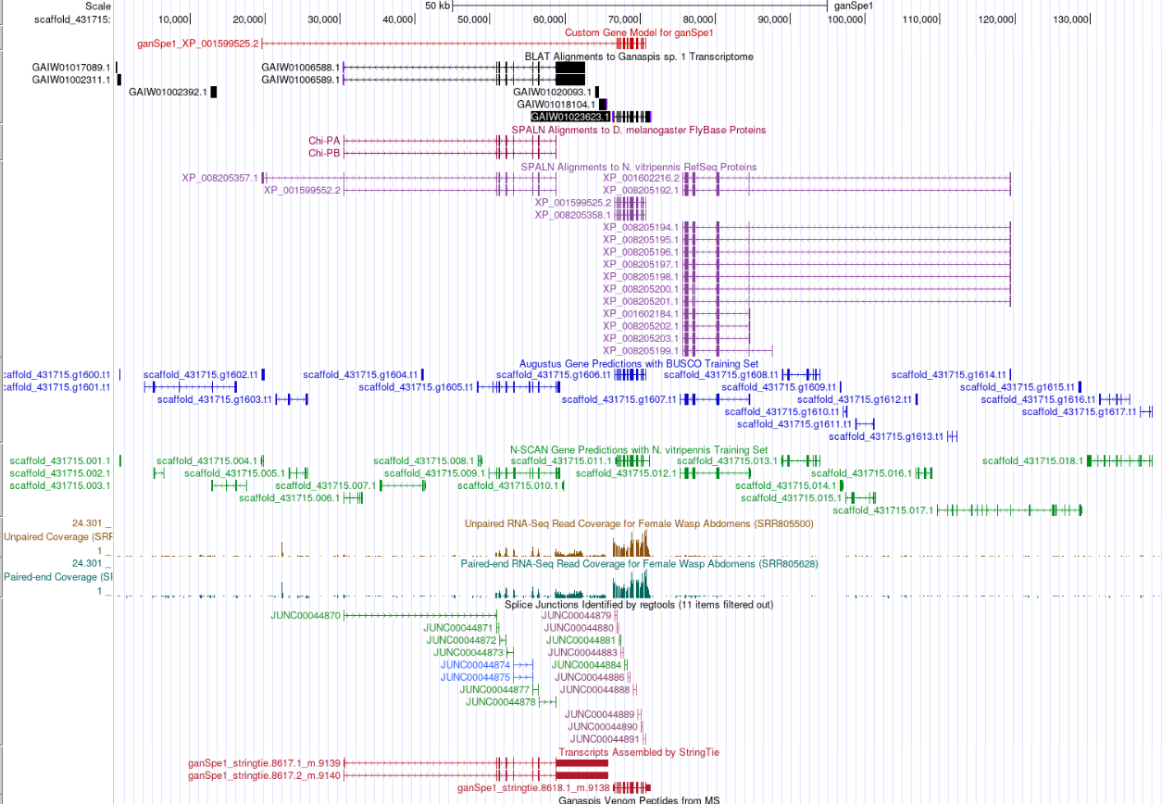
Gene Name | G1_HSPA5-D
Scaffold Name | scaffold_431715
Your Name | Janelle_Mande | Ana_Perez
Strand | +
Transcript ID | GAIW01023623.1
Other IDs | Protein ID: XP_001599525.2
Venom Peptides | No
Species | Ganaspis
Faculty | Dr. Tricia Van Laar

Feature | First Base | Last Base | Reading Frame | Acceptor Phase (3') | Donor Phase (5')
5'UTR | 19521 | 19534 | . | . | .
CDS | 66869 | 66931 | 2 | 2 | 0
CDS | 67147 | 67292 | 2 | 1 | 1
CDS | 67418 | 67541 | 1 | 2 | 2
CDS | 67693 | 68001 | 2 | 2 | 1
CDS | 68228 | 68390 | 3 | 0 | 1
CDS | 68679 | 69135 | 3 | 1 | 0
CDS | 69493 | 69789 | 3 | 1 | 2
CDS | 70042 | 70229 | 3 | 0 | 2
CDS | 70310 | 70450 | 2 | 0 | 0
3'UTR | 70659 | 70742 | . | . | .

